Astable With Duty Solver
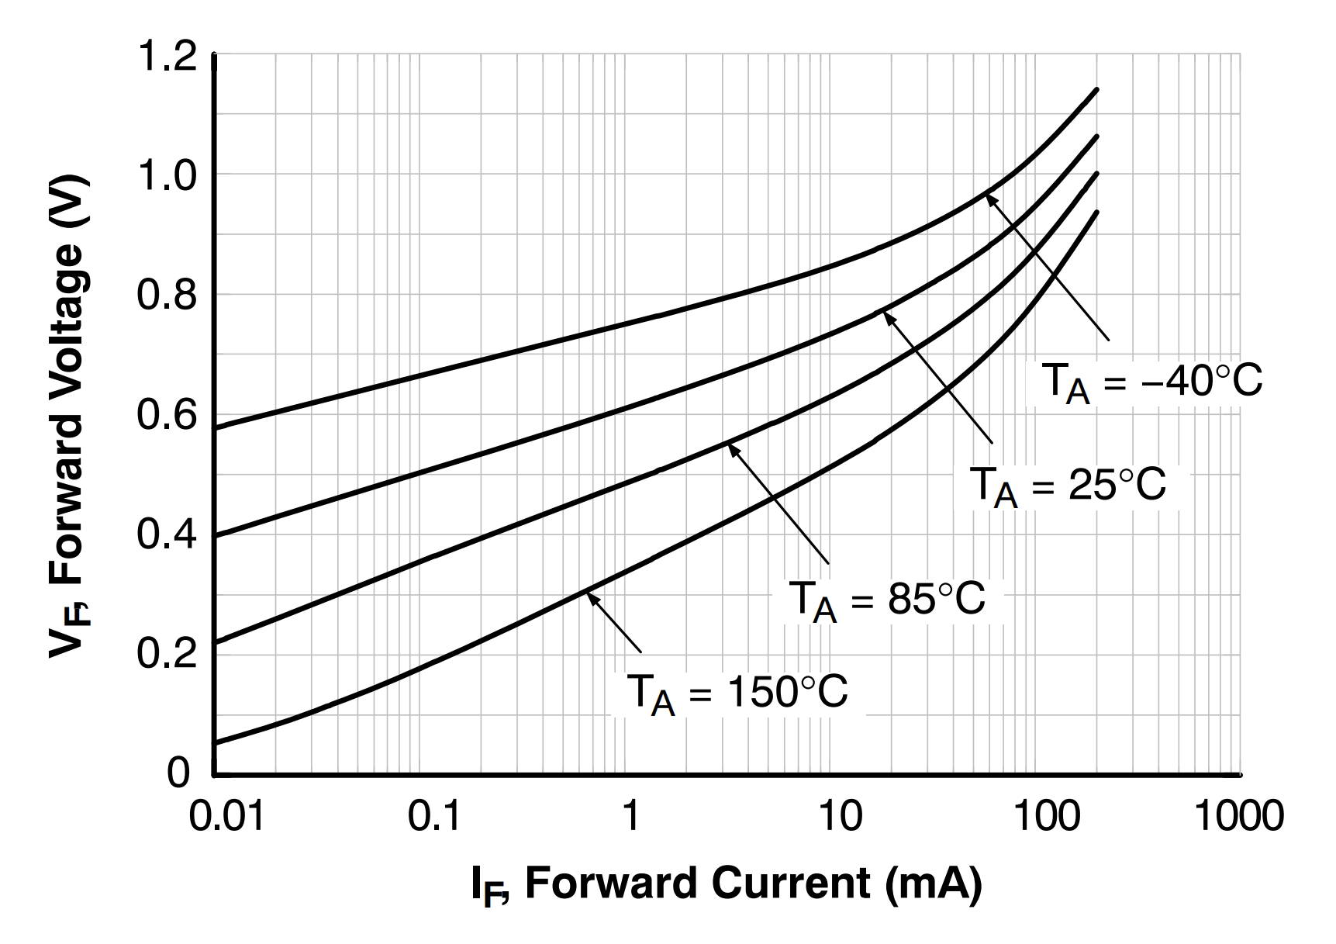
1N4148
$$V_{f}=aI_{f}^{b}$$
$$V_{f}=1.10126I_{f}^{0.0863}$$
Astable Multivibrator with Duty Factor |  |  |  |  |  |  | Forward Voltage vs. Current for 1N4148 @ 25°C
Supply Voltage | (VCC) | 5 | V |  |  |  | a | 1.101260866
Timing Capacitor | (C1) | 1e-08 | F |  |  |  | b | 0.086299701575
Frequency | (f0) | 1000 | Hz
Duty Factor | (DF) | 0.2
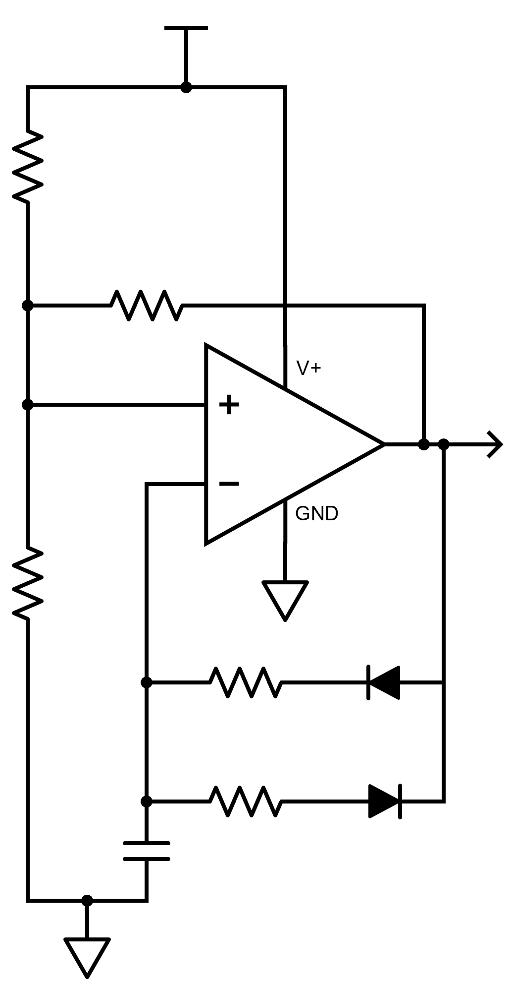
22.6kΩ
90.9kΩ
0.01µF
$$R_{1}$$
$$R_{2}$$
$$C_{1}$$
$$V_{OUT}$$
$$V_{T}$$
$$D_{1}$$
$$D_{2}$$
TLV3494
100kΩ
100kΩ
100kΩ
$$V_{CC}$$
$$V_{AVG}=\frac{1}{3\ln\left(2\right)}\left(\frac{V_{CC}}{3}\right)+\frac{V_{CC}}{3}$$
$$t_{H}=\frac{DF}{f_{0}}$$
$$t_{L}=\frac{1−DF}{f_{0}}$$
Average Charge Voltage Target | (VAVG) | 2.4682 | V
Time High | (tH) | 0.0002 | s
Time Low | (tL) | 0.0008 | s

 |  | Time High Calculation |  |  | Time Low Calculation
 | (R1) | 22550 | Ω | (R2) | 90475 | Ω
 | (IR1) | 8.76456e-05 | A | (IR2) | 2.24476e-05 | A
$$V_{f}=aI_{f}^{b}$$
 | (VF1) | 0.4918 | V | (VF2) | 0.4372 | V
$$V_{AVG}=IR_{n}+1.10126I^{0.0863}$$
 | (VAVGH) | 2.4682 | V | (VAVGL) | 2.4682 | V
 | tHCALC | 0.0001991541 | s | tLCALC | 0.0007990452 | s
In solver, set objective to value of t_{H}
by changing cells for R1 and I_{R1}
Set constraints to V_{AVGH} = V_{AVG}
Use GRG nonlinear solving method
$$t=RC\ln\left(\frac{V_{CC}}{V_{CC}−3V_{F}}+1\right)$$
In solver, set objective to value of t_{L}
by changing cells for R2 and I_{R2}
Set constraints to V_{AVGL} = V_{AVG}
Use GRG nonlinear solving method

Standard Component Values
 | C1 | 0.01µF
 | R1 | 22.6kΩ
 | R2 | 90.9kΩ

